data
Data
Slicers

Sr. No. | Date | Product | Name | Area | Qty | Cost | Total
1 | 2010-01-01 | Mobile | Ashok | East | 20 | 2195 | 43900 | *run load_dashboard macro if and only if both buttens are deleted
2 | 2010-01-01 | TV | Anil | East | 16 | 3971 | 63536 | *chart will add every additional record automaticaly
3 | 2010-01-02 | Computer | Sunil | East | 11 | 4859 | 53449 | *deleting the source sheets once will collape the dashboard
4 | 2010-01-02 | Hard Disc | Rajesh | East | 16 | 2055 | 32880 | *repeted pressing butten issue resolved
5 | 2010-01-03 | Hard Disc | Mangesh | East | 17 | 3892 | 66164 | *clear all by CTRL+A ,delete for both selecting any cell and selecting the chart
6 | 2010-01-03 | Mobile | Ashok | East | 11 | 4640 | 51040 | *buttons are required to run load_data macro
7 | 2010-01-04 | TV | Anil | East | 16 | 4610 | 73760
8 | 2010-01-04 | Computer | Sunil | East | 18 | 2221 | 39978
9 | 2010-01-05 | Table | Rajesh | East | 14 | 3949 | 55286
10 | 2010-01-05 | Hard Disc | Mangesh | East | 14 | 2943 | 41202
11 | 2010-01-05 | Laptop | Sunil | East | 10 | 2000 | 20000
12 | 2010-01-01 | TV | Ashok | West | 16 | 2856 | 45696
13 | 2010-01-01 | Mobile | Anil | West | 13 | 2722 | 35386
14 | 2010-01-02 | Table | Sunil | West | 18 | 2900 | 52200
15 | 2010-01-02 | Computer | Rajesh | West | 13 | 2236 | 29068
16 | 2010-01-03 | Laptop | Mangesh | West | 10 | 4569 | 45690
17 | 2010-01-03 | Computer | Ashok | West | 11 | 3782 | 41602
18 | 2010-01-04 | Mobile | Anil | West | 15 | 2823 | 42345
19 | 2010-01-04 | Table | Sunil | West | 12 | 4729 | 56748
20 | 2010-01-05 | Computer | Rajesh | West | 12 | 4007 | 48084
21 | 2010-01-05 | Laptop | Mangesh | West | 10 | 3459 | 34590
22 | 2010-01-05 | Hard Disc | Ashok | West | 8 | 2911 | 23288
23 | 2010-01-01 | Table | Ashok | South | 10 | 4057 | 40570
24 | 2010-01-01 | Hard Disc | Anil | South | 18 | 3809 | 68562
25 | 2010-01-02 | Mobile | Sunil | South | 16 | 3987 | 63792
26 | 2010-01-02 | TV | Rajesh | South | 10 | 2346 | 23460
27 | 2010-01-03 | TV | Mangesh | South | 8 | 4953 | 39624
28 | 2010-01-03 | Table | Ashok | South | 18 | 4088 | 73584
29 | 2010-01-04 | Hard Disc | Anil | South | 15 | 2531 | 37965
30 | 2010-01-04 | Mobile | Sunil | South | 13 | 4716 | 61308
31 | 2010-01-05 | TV | Rajesh | South | 11 | 2806 | 30866
32 | 2010-01-05 | Mobile | Mangesh | South | 5 | 3350 | 16750
33 | 2010-01-04 | Computer | Ashok | South | 8 | 2258 | 18064
34 | 2010-01-05 | Laptop | Anil | South | 12 | 1575 | 18900
35 | 2010-01-01 | Laptop | Ashok | North | 5 | 3270 | 16350
36 | 2010-01-01 | Computer | Anil | North | 17 | 4245 | 72165
37 | 2010-01-02 | Laptop | Sunil | North | 5 | 4864 | 24320
38 | 2010-01-02 | Laptop | Rajesh | North | 6 | 2381 | 14286
39 | 2010-01-03 | Table | Mangesh | North | 10 | 3503 | 35030
40 | 2010-01-03 | Laptop | Ashok | North | 5 | 3176 | 15880
41 | 2010-01-04 | Computer | Anil | North | 12 | 4192 | 50304
42 | 2010-01-04 | Laptop | Sunil | North | 2 | 4793 | 9586
43 | 2010-01-05 | Laptop | Rajesh | North | 5 | 2204 | 11020
44 | 2010-01-05 | Table | Mangesh | North | 18 | 4183 | 75294
45 | 2010-01-04 | Mobile | Ashok | North | 20 | 3521 | 70420
46 | 2010-01-05 | TV | Anil | North | 11 | 5624 | 61864
47 | 2010-01-05 | Hard Disc | Sunil | North | 18 | 4526 | 81468

East
Sr. No. | Date | Product | Name | Area | Qty | Cost | Total
1 | 2010-01-01 | Mobile | Ashok | East | 20 | 2195 | 43900
2 | 2010-01-01 | TV | Anil | East | 16 | 3971 | 63536
3 | 2010-01-02 | Computer | Sunil | East | 11 | 4859 | 53449
4 | 2010-01-02 | Hard Disc | Rajesh | East | 16 | 2055 | 32880
Data
5 | 2010-01-03 | Hard Disc | Mangesh | East | 17 | 3892 | 66164
6 | 2010-01-03 | Mobile | Ashok | East | 11 | 4640 | 51040
7 | 2010-01-04 | TV | Anil | East | 16 | 4610 | 73760
8 | 2010-01-04 | Computer | Sunil | East | 18 | 2221 | 39978
9 | 2010-01-05 | Table | Rajesh | East | 14 | 3949 | 55286
10 | 2010-01-05 | Hard Disc | Mangesh | East | 14 | 2943 | 41202
11 | 2010-01-05 | Laptop | Sunil | East | 10 | 2000 | 20000

West
Sr. No. | Date | Product | Name | Area | Qty | Cost | Total
1 | 2010-01-01 | TV | Ashok | West | 16 | 2856 | 45696
2 | 2010-01-01 | Mobile | Anil | West | 13 | 2722 | 35386
3 | 2010-01-02 | Table | Sunil | West | 18 | 2900 | 52200
4 | 2010-01-02 | Computer | Rajesh | West | 13 | 2236 | 29068
Slicers
5 | 2010-01-03 | Laptop | Mangesh | West | 10 | 4569 | 45690
6 | 2010-01-03 | Computer | Ashok | West | 11 | 3782 | 41602
7 | 2010-01-04 | Mobile | Anil | West | 15 | 2823 | 42345
8 | 2010-01-04 | Table | Sunil | West | 12 | 4729 | 56748
9 | 2010-01-05 | Computer | Rajesh | West | 12 | 4007 | 48084
10 | 2010-01-05 | Laptop | Mangesh | West | 10 | 3459 | 34590
11 | 2010-01-05 | Hard Disc | Ashok | West | 8 | 2911 | 23288

Info
Record Macro to get data in one sheet - Record for East & West only then Edit Macro and paste for South & North
Convert Data in to Table feature. Give name as MyData
Create Chart - Modify as required.
Create another Macro to Insert Slicers and Edit Slicers.
Done!

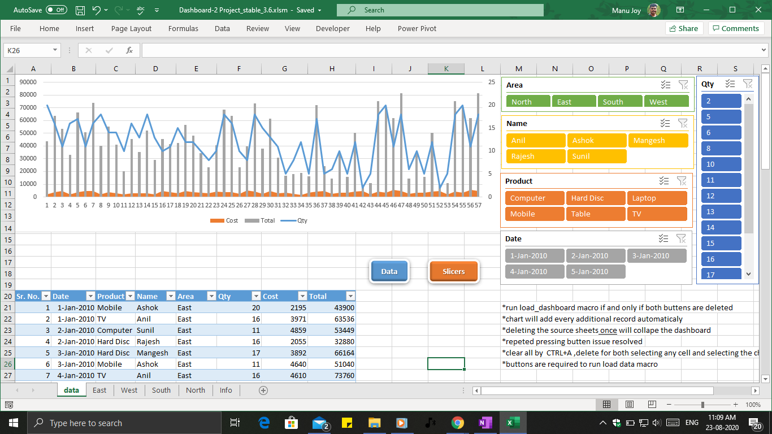

Done👍

